Instructions
Healthy School Act (HSA) School Health Profile 2019-20 - Excel Workbook Instructions

 | Background Each February, all public and public charter schools are required to submit to OSSE an annual School Health Profile (SHP). This year, to give schools more time to prepare their data for submission, OSSE is providing this workbook as a template for schools to help them start gathering data before the launch of the SHP Quickbase data submission application. The Quickbase SHP application will open on Jan. 15, and your school must submit all of its data by February 17, 2020. Use this spreadsheet to gather responses for the 2019-20 school year questionnaire now, and then once the Quickbase application is open, you will have the information you need in one place so that you can manually enter the information into the Quickbase form and submit all at once. The full question text can be found here (link to the questionnaire on the osse website). See the steps below for guidance in using this workbook.

 | Before you begin, open up or print out the PDF version of the profile questionnaire. To see the full question text, you will need the PDF version of the questionnaire, which can be found here. You'll notice that each section of the PDF version corresponds to a tab in the Excel workbook. Each question corresponds to a column in the tab. See below. Many questions have built-in drop down menus. Select from an option within that menu. If a Profile question asks you to complete a field for "other," the spreadsheet will have a separate column for that content to be entered. See the example below, which demonstrates how Question 9 from the SHP is formatted in this spreadsheet.
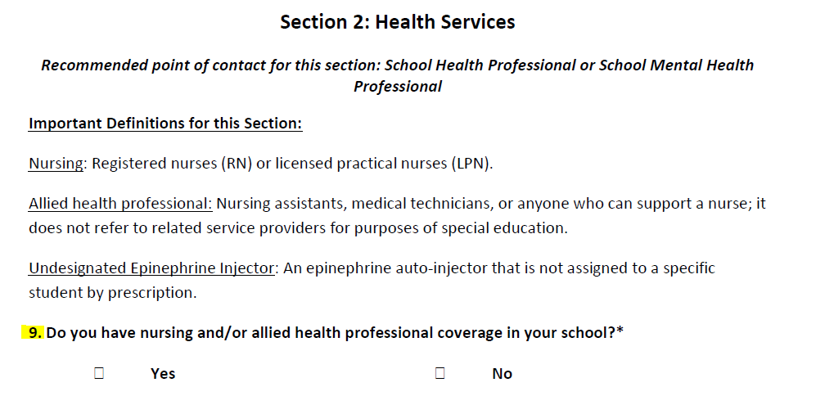
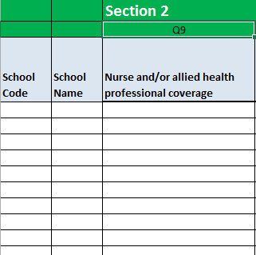

 | Download PDF profile: OSSE Contact Information:

